Sheet4
Domestic Minimum Variance Portfolio

Securities | Weights | Returns | Variance Covariance Matrix
AEGISLOG |  | 0.1662255811 | 0.1469901427 | 0.0093528094194 | 0.0075556166809 | 0.014395538181 | -0.0086972924113 | 0.0052810072705 | 0.0045687641948 | 0.0043161383318
CANBK |  | 0.29158472962 | 0.0093528094194 | 0.086143316839 | 0.0021141642663 | 0.034593326617 | 0.0037514380383 | 0.019371216916 | 0.016134603152 | 0.03032190692
STARHEALTH |  | 0.016262042131 | 0.0075556166809 | 0.0021141642663 | 0.087345151654 | 0.0037779725851 | 0.00019386634292 | 0.0036082573237 | 0.00059340277576 | 0.014793786281
PPLPHARMA |  | 0.11600149713 | 0.014395538181 | 0.034593326617 | 0.0037779725851 | 0.15938491378 | 0.0065372000061 | 0.02497554778 | 0.0058910162396 | 0.033076431211
KAJARIACER |  | 0.21139786979 | -0.0086972924113 | 0.0037514380383 | 0.00019386634292 | 0.0065372000061 | 0.063395710462 | 0.0099556618167 | 0.0013316851185 | 0.0073304649796
BSOFT |  | 1.4399036613 | 0.0052810072705 | 0.019371216916 | 0.0036082573237 | 0.02497554778 | 0.0099556618167 | 0.10416160624 | 0.0030738938524 | 0.026630106767
360ONE |  | 0.35245081543 | 0.0045687641948 | 0.016134603152 | 0.00059340277576 | 0.0058910162396 | 0.0013316851185 | 0.0030738938524 | 0.076407912621 | 0.0023749380508
GNFC |  | 0.40403185506 | 0.0043161383318 | 0.03032190692 | 0.014793786281 | 0.033076431211 | 0.0073304649796 | 0.026630106767 | 0.0023749380508 | 0.096963037146
Total Weight before Normalization
Sum of Weights

 | Column 1 | RANDOM WEIGHTS | NORMALIZED WEIGHTS | RETURNS | Column 2 | Column 3 | Column 4 | Column 5 | Column 6
 | AEGISLOG | 0.8125195518 | 0.2059139496 | 0.35253450684 | 0.07259177268 |  |  |  |  |  |  |  | efficient frontier (domestic portfolio)
 | CANBK | 0.07566624737 | 0.01917582883 | 1.2820931736 | 0.02458519925 |  | portfolio return |  | portfolio risk
RETURN vs. RISK
 | STARHEALTH | 0.3654603918 | 0.09261733154 | 0.026713158764 | 0.002474101482 |  | 0.4743915646 |  | #VALUE! |  | RISK | RETURN
 | PPLPHARMA | 0.1302224015 | 0.03300180158 | 0.90511477663 | 0.02987041827 |  |  |  |  |  | 0.0036246741219 | 0.3525345068
 | KAJARIACER | 0.9232372875 | 0.2339727529 | 0.047126415887 | 0.01102629726 |  |  |  |  |  | 0.11161302553 | 1.2820931736
 | BSOFT | 0.423423319 | 0.1073066707 | 1.854771924 | 0.1990294 |  |  | RISK | RETURN |  | 0.0048569193847 | 0.026713158764
 | 360ONE | 0.595509328 | 0.1509178179 | 0.67100995709 | 0.1012673585 |  |  | 0.4743915646 | #VALUE! |  | 0.1305124302 | 0.90511477663
 | GNFC | 0.6198794319 | 0.1570938469 | 0.21354761986 | 0.03354701711 |  |  |  |  |  | 0.010029900098 | 0.047126415887
 |  | 3.945917959 | 1 |  | 0 |  |  |  |  |  | 0.37515042255 | 1.854771924
 |  |  |  |  |  |  |  |  |  |  | 0.067486242716 | 0.67100995709
 |  |  |  |  |  |  |  |  |  |  | 0.01302320021 | 0.21354761986
 |  |  |  |  |  |  |  |  |  |  | 0.17488870125

Sheet7
International Minimum Variance Portfolio

Securities | Weights | NORMALIZED | Returns | W*RETURNS | Variance Covariance Matrix
AEGISLOG | 0.1201291466 | 0.02532757296 | 0.35253450684 | 0.008928843443 | 0.1469901427 | 0.0093528094194 | 0.0075556166809 | 0.014395538181 | -0.0086972924113 | 0.0052810072705 | 0.0045687641948 | 0.0043161383318 | -0.02237347132 | 0.031741891334
CANBK | 0.9585132231 | 0.2020892871 | 1.2820931736 | 0.2590972955 | 0.0093528094194 | 0.086143316839 | 0.0021141642663 | 0.034593326617 | 0.0037514380383 | 0.019371216916 | 0.016134603152 | 0.03032190692 | -0.00077121078571 | 0.011761380995
STARHEALTH | 0.428009413 | 0.0902398789 | 0.026713158764 | 0.002410592212 | 0.0075556166809 | 0.0021141642663 | 0.087345151654 | 0.0037779725851 | 0.00019386634292 | 0.0036082573237 | 0.00059340277576 | 0.014793786281 | 0.0040200729994 | -0.026757141749
PPLPHARMA | 0.5247580411 | 0.1106379921 | 0.90511477663 | 0.1001400815 | 0.014395538181 | 0.034593326617 | 0.0037779725851 | 0.15938491378 | 0.0065372000061 | 0.02497554778 | 0.0058910162396 | 0.033076431211 | 0.022985084842 | -0.025639201311
KAJARIACER | 0.2688489939 | 0.05668310068 | 0.047126415887 | 0.002671271377 | -0.0086972924113 | 0.0037514380383 | 0.00019386634292 | 0.0065372000061 | 0.063395710462 | 0.0099556618167 | 0.0013316851185 | 0.0073304649796 | 0.0051311627538 | -0.0085177444724
BSOFT | 0.2014878101 | 0.04248092455 | 1.854771924 | 0.07879242616 | 0.0052810072705 | 0.019371216916 | 0.0036082573237 | 0.02497554778 | 0.0099556618167 | 0.10416160624 | 0.0030738938524 | 0.026630106767 | 0.014139106552 | 0.022581424384
360ONE | 0.3567753685 | 0.07522116351 | 0.67100995709 | 0.0504741497 | 0.0045687641948 | 0.016134603152 | 0.00059340277576 | 0.0058910162396 | 0.0013316851185 | 0.0030738938524 | 0.076407912621 | 0.0023749380508 | 0.0048694838332 | 0.050746544784
GNFC | 0.6944537111 | 0.1464159826 | 0.21354761986 | 0.0312667846 | 0.0043161383318 | 0.03032190692 | 0.014793786281 | 0.033076431211 | 0.0073304649796 | 0.026630106767 | 0.0023749380508 | 0.096963037146 | 0.004632228284 | 0.0075221128838
NVIDIA | 0.6667747366 | 0.1405802528 | 3.6205095874 | 0.508972153 | -0.02237347132 | -0.00077121078571 | 0.0040200729994 | 0.022985084842 | 0.0051311627538 | 0.014139106552 | 0.0048694838332 | 0.004632228284 | 0.25408550105 | 0.033435062898
SOL-USD | 0.523268034 | 0.1103238447 | 0.30294301313 | 0.03342183793 | 0.031741891334 | 0.011761380995 | -0.026757141749 | -0.025639201311 | -0.0085177444724 | 0.022581424384 | 0.050746544784 | 0.0075221128838 | 0.033435062898 | 0.67522588409
 | 4.743018478 |  |  | 0

 | PORTFOLIO RETURN | PORTFOLIO RISK |  | PORTFOLIO RISK | PORTFOLIO RETURN | SHARPE RATIO |  | Risk-Free Rate | 0.070281152263
 | 1.076175435 | 0.1802637764 |  | 0.17592560287 | 0.81511081094 | 4.233776361
 |  |  |  | 0.1812421955 | 0.97184412631 | 4.974354739
 |  |  |  | 0.17773858501 | 0.58828702411 | 2.914425541
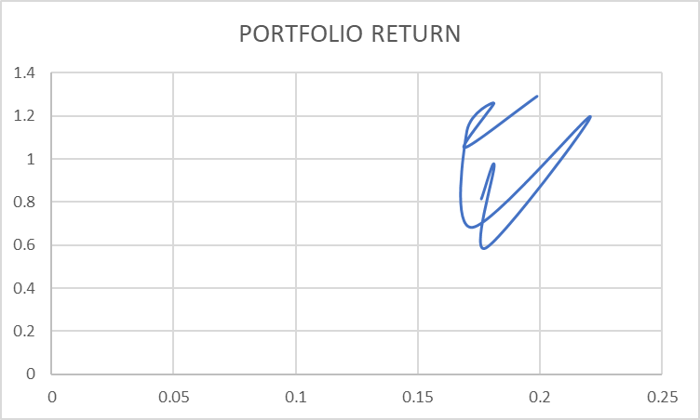
 |  |  |  | 0.22082135677 | 1.1962406895 | 5.098961231
 |  |  |  | 0.17234090261 | 0.68391181393 | 3.560563119
 |  |  |  | 0.16998929759 | 1.1289384272 | 6.227787807
 |  |  |  | 0.18112442364 | 1.2572890054 | 6.553549374
 |  |  |  | 0.16907821961 | 1.0521249768 | 5.807039055
 |  |  |  | 0.19887432315 | 1.2896388363 | 6.13129772

